Introduction
SOC-CMM - Introduction

General Information
Author | Rob van Os
Contact | info [at] SOC-CMM.com
Version | 1.0
Date | 19 october 2016
Background
The SOC-CMM is a capability maturity model that can be used to perform a self-assessment of your Security Operations Center (SOC). The model is based on review conducted on literature regarding SOC setup and existing SOC models as well as literature on specific elements within a SOC. The literature analysis was then validated by questioning several Security Operations Centers in different sectors and on different maturity levels to determine which elements were actually in place. The output from the survey, combined with the initial analysis is the basis for this self-assessment. For more information regarding the scientific background and the literature used to create the SOC-CMM self-assessment tool, please refer to the thesis document as available through: https://www.soc-cmm.com/ If you have any questions or comments regarding the contents of this document, please use the above information to contact me.

Purpose & Intended Audience
The purpose of the SOC-CMM is to gain insight into the strengths and weaknesses of the SOC. This enables the SOC management to make informed decisions about which elements of the SOC require additional attention and/or budget. By regularly assessing the SOC for maturity and capability, progress can be monitored. Besides the primary purpose of performing an assessment of the SOC, the assessment can also be used for extensive discussions about the SOC and can thus provide valuable insights. This tool is intended for use by SOC managers, experts within the SOC and SOC consultants.

Assessment Model
The assessment model consists of 5 domains and 21 aspects. All domains are evaluated for maturity (blue), only technology and services are evaluated for both maturity and capability (purple)

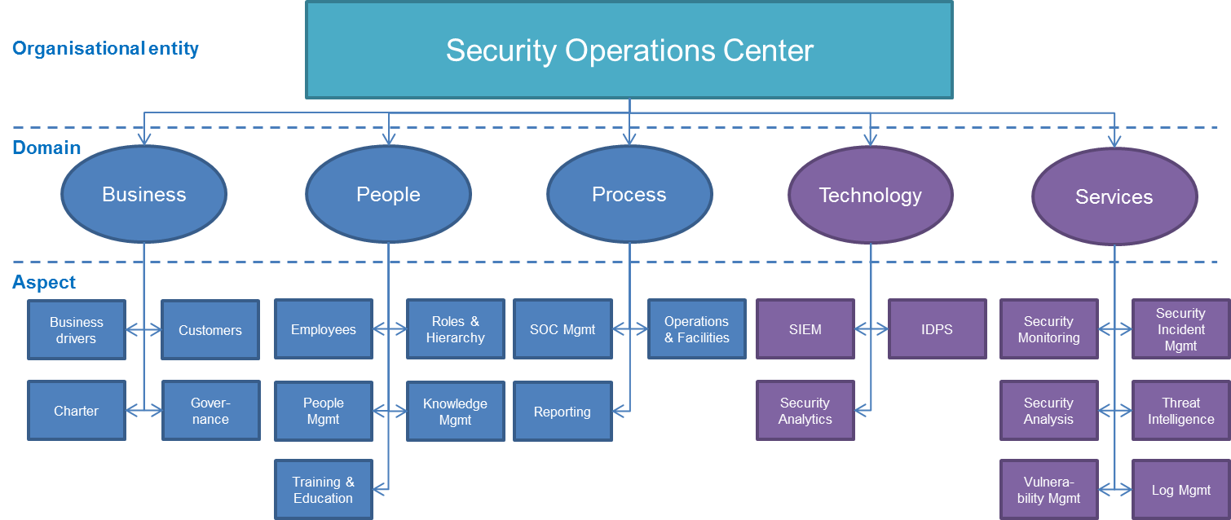

Maturity Levels
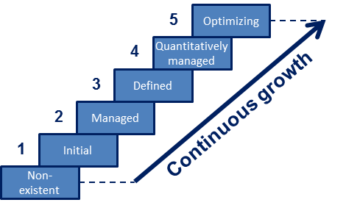 CMMI defines maturity as a means for an organisation "to characterize its performance" for a specific entity (here: the SOC). The SOC-CMM uses 6 maturity levels: - Level 0: non-existent - Level 1: initial - Level 2: managed - Level 3: defined - Level 4: quantitatively managed - Level 5: optimizing These maturity levels are measured across 5 domains: business, people, process, technology and services. The maturity levels as implemented in this tool are not staged with pre-requisites for each level. Instead, every element adds individually to the maturity score: a continuous maturity model.

Capability Scoring
Capability are indicators of completeness. The SOC-CMM calculates a capability score as a percentage for services and technologies. All features of a service or technology under evaluation can be scored in a 5-point scale. Additionally, it is possible to select 'Not required' for any capabilities you feel are not required for the SOC. This way, that specific element is excluded from scoring. Similar to the weighing mechanism (see 'Usage'), this feature should be used with care as it can be used to manipulate the capability score for the element under evaluation.

Disclaimer
The SOC-CMM is provided without warranty of any kind. The author of the document cannot assure its accuracy and is not liable for any cost as a result of decisions based on the output of this tool. The usage of this tool does not in any way entitle the user to support or consultancy. By using this tool, you agree to these conditions.

Results
 |  |  |  | SOC-CMM Results

 |  |  |  | Overall SOC-CMM Score
Element | Maturity Score | Target Score | Capability (%)
Business | 0 | 0
People | 0 | 0
Process | 0 | 0
Technology | 0 | 0 | 0
Services | 0 | 0 | 0
Overall | 0 | 0 | 0

 |  |  |  | SOC-CMM Score per NIST Cyber Security Framework
Phase | Maturity Score | Capability (%)
Identify | 0 | 0
Protect | 0 | 0
Detect | 0 | 0
Respond | 0 | 0
Recover | N/A | N/A
Overall | 0 | 0

 |  |  |  | SOC-CMM Business Domain
Element | Maturity Score
Business Drivers | 0
Customers | 0
SOC Charter | 0
SOC Governance | 0
Overall | 0

 |  |  |  | SOC-CMM People Domain
Element | Maturity Score
SOC Employees | 0
Roles & Hierarchy | 0
People Management | 0
Knowledge Management | 0
Training & Education | 0
Overall | 0

 |  |  |  | SOC-CMM Process Domain
Element | Maturity Score
Management | 0
Operations & Facilities | 0
Reporting | 0
Overall | 0

 |  |  |  | SOC-CMM Technology Domain
Element | Maturity Score | Capability (%) | In scope?
SIEM | 0 | 0 | Yes
IDPS | 0 | 0 | Yes
Security Analytics | 0 | 0 | Yes
Overall | 0 | 0

 |  |  |  | SOC-CMM Services Domain
Service | Maturity Score | Capability (%) | In scope?
Security Monitoring | 0 | 0 | Yes
Security Incident Management | 0 | 0 | Yes
Security Analysis | 0 | 0 | Yes
Threat Intelligence | 0 | 0 | Yes
Vulnerability Management | 0 | 0 | Yes
Log Management | 0 | 0 | Yes
Overall | 0 | 0

